POST SRM (V2)
Area | Role | Area | Project Role | Hours | 1 | 2 | 3 | 4 | 5 | 6 | 7 | 8 | 9 | 10 | 11 | 12 | 13 | 14 |  | 15 | 16 | 17 | 18 | 19 | 20 | 21 | 22 | 23 | 24 | 25 | 26
 |  |  |  |  | Mobilize & Initiate |  | Solution Modeling, Build, Test, & Deploy
 |  |  |  |  | 13-Jul-26 | 20-Jul-26 | 27-Jul-26 | 3-Aug-26 | 10-Aug-26 | 17-Aug-26 | 24-Aug-26 | 31-Aug-26 | 7-Sep-26 | 14-Sep-26 | 21-Sep-26 | 28-Sep-26 | 5-Oct-26 | 12-Oct-26 |  | 19-Oct-26 | 26-Oct-26 | 2-Nov-26 | 9-Nov-26 | 16-Nov-26 | 23-Nov-26 | 30-Nov-26 | 7-Dec-26 | 14-Dec-26 | 21-Dec-26 | 28-Dec-26 | 4-Jan-27
 |  |  |  |  | 2 Weeks |  | 12 Weeks |  |  |  |  |  |  |  |  |  |  |  |  | 12 Weeks

Functional Support | Senior Consultant | AIBS | Functional Lead / Delivery Architect | 1040 | 40 | 40 | 40 | 40 | 40 | 40 | 40 | 40 | 40 | 40 | 40 | 40 | 40 | 40 |  | 40 | 40 | 40 | 40 | 40 | 40 | 40 | 40 | 40 | 40 | 40 | 40
Functional Support |  |  |  | 1,040

Architecture Support | Domain Solution Architect | AIBS | Solution Architect - AIBS | 368 | 16 | 16 | 16 | 16 | 16 | 16 | 16 | 16 | 16 | 16 | 16 | 16 | 16 | 16 |  | 12 | 12 | 12 | 12 | 12 | 12 | 12 | 12 | 12 | 12 | 12 | 12
 | Domain Solution Architect | IGD | Solution Architect - IGD | 1040 | 40 | 40 | 40 | 40 | 40 | 40 | 40 | 40 | 40 | 40 | 40 | 40 | 40 | 40 |  | 40 | 40 | 40 | 40 | 40 | 40 | 40 | 40 | 40 | 40 | 40 | 40
 | Domain Solution Architect | AIBS | Solution Architect - TQA | 0
 | Senior Consultant | AIBS | Integration Architect | 112 | 8 | 8 | 4 | 4 | 4 | 4 | 4 | 4 | 4 | 4 | 4 | 4 | 4 | 4 |  | 4 | 4 | 4 | 4 | 4 | 4 | 4 | 4 | 4 | 4 | 4 | 4
Architecture Support |  |  |  | 1,520

Development Support | Consultant | IGD | Lead Developer ( 50% Lead) | 1040 | 40 | 40 | 40 | 40 | 40 | 40 | 40 | 40 | 40 | 40 | 40 | 40 | 40 | 40 |  | 40 | 40 | 40 | 40 | 40 | 40 | 40 | 40 | 40 | 40 | 40 | 40
 | Consultant | IGD | Copilot / Foundry Developer | 960 |  |  | 40 | 40 | 40 | 40 | 40 | 40 | 40 | 40 | 40 | 40 | 40 | 40 |  | 40 | 40 | 40 | 40 | 40 | 40 | 40 | 40 | 40 | 40 | 40 | 40
 | Consultant | IGD | Copilot / Foundry Developer | 960 |  |  | 40 | 40 | 40 | 40 | 40 | 40 | 40 | 40 | 40 | 40 | 40 | 40 |  | 40 | 40 | 40 | 40 | 40 | 40 | 40 | 40 | 40 | 40 | 40 | 40
 | Consultant | IGD | Power Automate Developer | 960 |  |  | 40 | 40 | 40 | 40 | 40 | 40 | 40 | 40 | 40 | 40 | 40 | 40 |  | 40 | 40 | 40 | 40 | 40 | 40 | 40 | 40 | 40 | 40 | 40 | 40
 | Consultant | IGD | Modern Apps Developer (HITL) | 960 |  |  | 40 | 40 | 40 | 40 | 40 | 40 | 40 | 40 | 40 | 40 | 40 | 40 |  | 40 | 40 | 40 | 40 | 40 | 40 | 40 | 40 | 40 | 40 | 40 | 40
 | Consultant | IGD | Data Engineer (Ingestion- Integration) | 480 |  |  | 40 | 40 | 40 | 40 | 40 | 40 | 40 | 40 | 40 | 40 | 40 | 40
 | Domain Solution Architect | IGD | TQA | 192 |  |  | 8 | 8 | 8 | 8 | 8 | 8 | 8 | 8 | 8 | 8 | 8 | 8 |  | 8 | 8 | 8 | 8 | 8 | 8 | 8 | 8 | 8 | 8 | 8 | 8
 | Consultant | IGD | Test Lead / Tester | 960 |  |  | 40 | 40 | 40 | 40 | 40 | 40 | 40 | 40 | 40 | 40 | 40 | 40 |  | 40 | 40 | 40 | 40 | 40 | 40 | 40 | 40 | 40 | 40 | 40 | 40
Development Support |  |  |  | 6,512

Infrastructure Support | Consultant | IGD | Infrastructure/Environment Support | 312 | 12 | 12 | 12 | 12 | 12 | 12 | 12 | 12 | 12 | 12 | 12 | 12 | 12 | 12 |  | 12 | 12 | 12 | 12 | 12 | 12 | 12 | 12 | 12 | 12 | 12 | 12
 | Consultant | IGD | Release Manager - Devops / LLMOps | 288 |  |  | 12 | 12 | 12 | 12 | 12 | 12 | 12 | 12 | 12 | 12 | 12 | 12 |  | 12 | 12 | 12 | 12 | 12 | 12 | 12 | 12 | 12 | 12 | 12 | 12
Infrastructure Support |  |  |  | 600

Project Delivery Support | Delivery Mgmt. Executive | AIBS | Delivery Management | 104 | 4 | 4 | 4 | 4 | 4 | 4 | 4 | 4 | 4 | 4 | 4 | 4 | 4 | 4 |  | 4 | 4 | 4 | 4 | 4 | 4 | 4 | 4 | 4 | 4 | 4 | 4
 | Senior Project Manager | AIBS | Program Director | 208 | 8 | 8 | 8 | 8 | 8 | 8 | 8 | 8 | 8 | 8 | 8 | 8 | 8 | 8 |  | 8 | 8 | 8 | 8 | 8 | 8 | 8 | 8 | 8 | 8 | 8 | 8
 | Senior Project Manager | AIBS | Onsite Project Manager | 1040 | 40 | 40 | 40 | 40 | 40 | 40 | 40 | 40 | 40 | 40 | 40 | 40 | 40 | 40 |  | 40 | 40 | 40 | 40 | 40 | 40 | 40 | 40 | 40 | 40 | 40 | 40
 | Project Manager | IGD | Offshore Project Manager | 1040 | 40 | 40 | 40 | 40 | 40 | 40 | 40 | 40 | 40 | 40 | 40 | 40 | 40 | 40 |  | 40 | 40 | 40 | 40 | 40 | 40 | 40 | 40 | 40 | 40 | 40 | 40
Project Delivery Support |  |  |  | 2,392

Delivery Compliance, Privacy and Security | Consultant | IGD | Infosec Consultant | 100 |  |  | 4 | 4 | 4 | 4 | 4 | 4 | 4 | 4 | 4 | 4 | 4 | 4 | 4 | 4 | 4 | 4 | 4 | 4 | 4 | 4 | 4 | 4 | 4 | 4 | 4
 | Domain Solution Architect | TZ | Domain Solution Architect | 116 | 8 | 8 | 4 | 4 | 4 | 4 | 4 | 4 | 4 | 4 | 4 | 4 | 4 | 4 | 4 | 4 | 4 | 4 | 4 | 4 | 4 | 4 | 4 | 4 | 4 | 4 | 4
Delivery Compliance, Privacy and Security |  |  |  | 216

Adoption, Change and Services Management | Sr. Domain Solution Architect | ACM | ACSM Architect | 212 | 10 | 10 | 8 | 8 | 8 | 8 | 8 | 8 | 8 | 8 | 8 | 8 | 8 | 8 |  | 8 | 8 | 8 | 8 | 8 | 8 | 8 | 8 | 8 | 8 | 8 | 8
 | Senior Consultant | ACM | ACM Sr Con (Agent Adoption) | 560 | 40 | 40 | 20 | 20 | 20 | 20 | 20 | 20 | 20 | 20 | 20 | 20 | 20 | 20 |  | 20 | 20 | 20 | 20 | 20 | 20 | 20 | 20 | 20 | 20 | 20 | 20
 | Consultant | ACM | ACM Con (Demos) | 480 |  |  | 20 | 20 | 20 | 20 | 20 | 20 | 20 | 20 | 20 | 20 | 20 | 20 |  | 20 | 20 | 20 | 20 | 20 | 20 | 20 | 20 | 20 | 20 | 20 | 20
Adoption, Change and Services Management |  |  |  | 1,252

Security | Security Architect | EAG | AI Security Foundations | 260 | 10 | 10 | 20 | 20 | 20 | 20 | 20 | 20 | 20 | 20 | 20 | 20 | 20 | 20
 | Security Architect | EAG | Agentic SOC | 360 |  |  |  |  |  |  |  |  | 20 | 20 | 20 | 20 | 20 | 20 |  | 20 | 20 | 20 | 20 | 20 | 20 | 20 | 20 | 20 | 20 | 20 | 20
 | Security Consultant | EAG | AI Security Foundations | 480 |  |  | 40 | 40 | 40 | 40 | 40 | 40 | 40 | 40 | 40 | 40 | 40 | 40
 | Security Consultant | EAG | Agentic SOC | 720 |  |  |  |  |  |  |  |  | 40 | 40 | 40 | 40 | 40 | 40 |  | 40 | 40 | 40 | 40 | 40 | 40 | 40 | 40 | 40 | 40 | 40 | 40
 | Security Consultant | EAG | Agentic SOC | 520 |  |  |  |  |  |  |  |  | 40 | 40 | 40 | 40 | 40 | 40 |  | 40 | 40 | 20 | 20 | 20 | 20 | 20 | 20 | 20 | 20 | 20 | 20
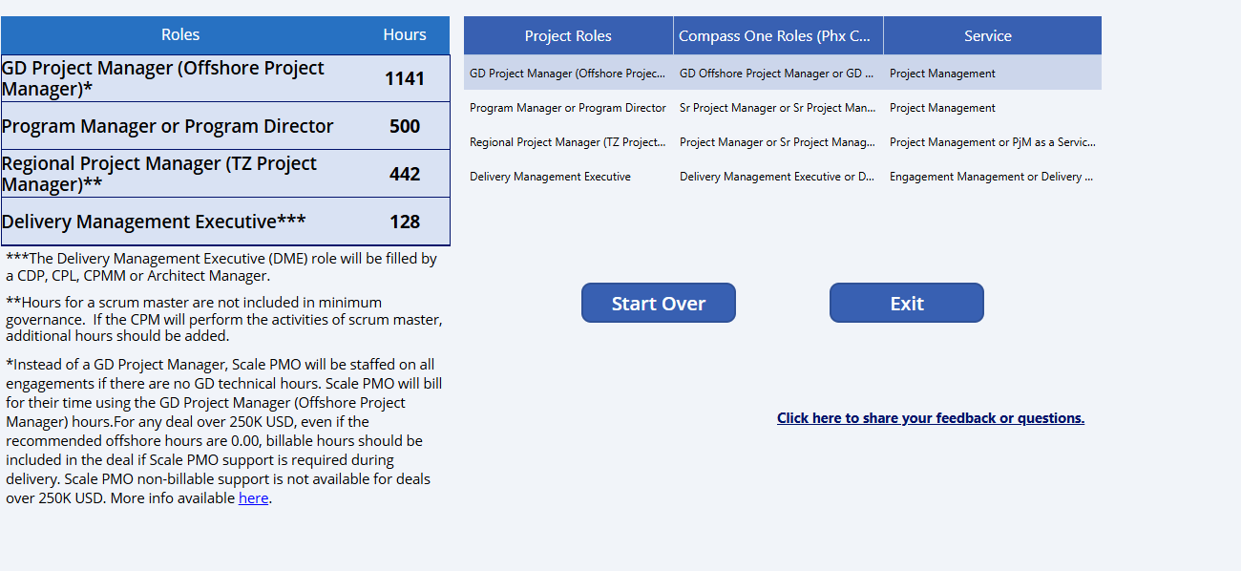
Security Support |  |  |  | 2,340

 |  |  |  | 15,872

 |  |  |  | 15,872

 |  |  |  | 15,872

